Sheet1
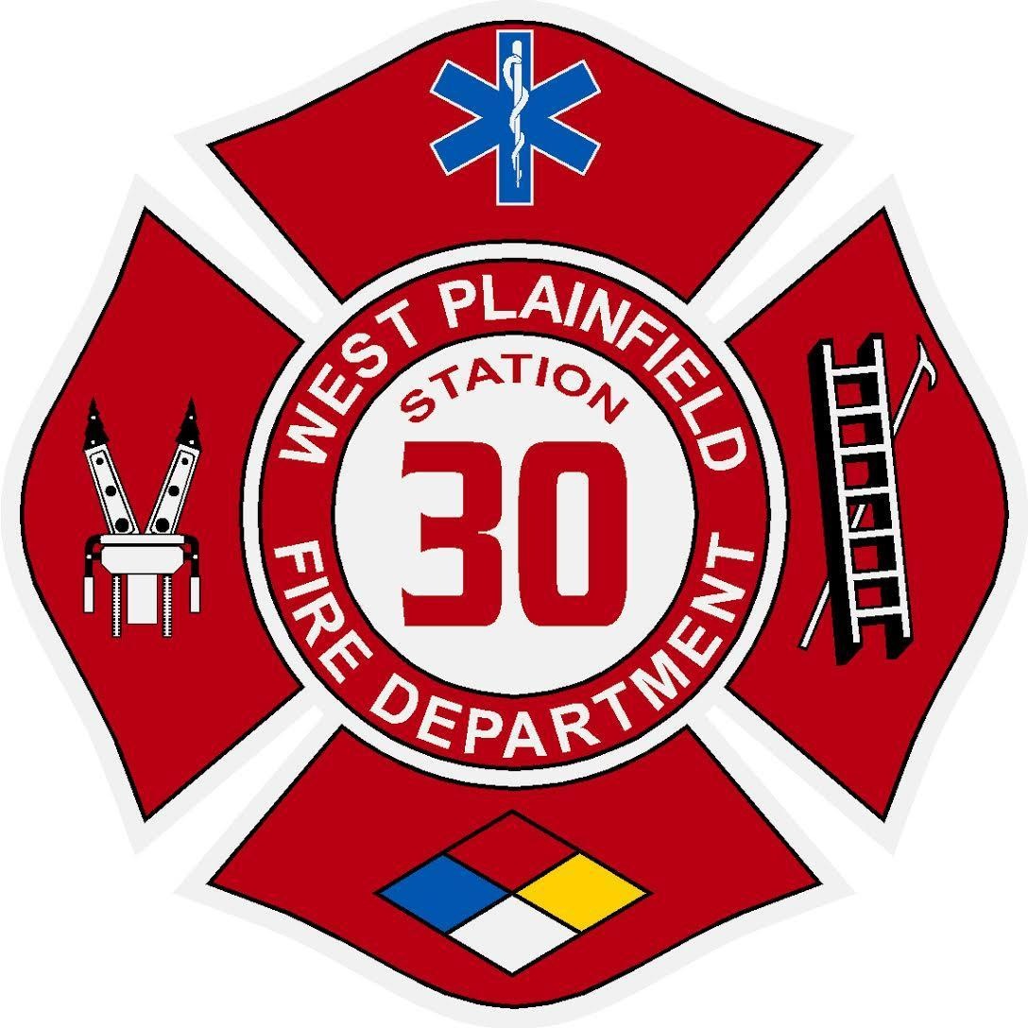
 | West Plainfield Fire Protection District
 | 24901 County Road 95, Davis, CA 95616 (530) 756-0212

May 17, 2022 Auditor-Controller 625 Court Street Woodland, CA 95695 This letter is to inform you that the West Plainfield Fire Protection District's Board of Commissioners has approved for paymnent the bills listed below:

 | ATT (CalNet) |  | 43.87
 | ATT (FirstNet) |  | 201.20
 | Clark Pest Control |  | 116.00
 | LEAF |  | 129.76
 | Municipal Emergency Services |  | 1,604.04
 | PGE |  | 702.94
 | Quill |  | 251.05
 | Recology |  | 375.22
 | River City Fire Equipment |  | 96.50
 | US Bank |  | 1,221.34
 | Wizix |  | 39.87

 |  | Total: | $4,781.79

